Sheet1
Project Title | Objective | Current Percentage | Last Percentage | Man-Days | Target Date | Status | Completed Task | Next Task | Issue/Remarks
 |  |  |  |  |  |  |  |  |  |  | Project Title | Objective | Current Percentage | Last Percentage | Man-Days | Target Date | Status | Completed Task | Next Task | Issue/Remarks | Savings | Screenshot
 |  |  |  |  |  |  |  |  |  | 1 | Development of Automation of Count Explosion Checking
 |  |  |  |  |  |  |  |  |  | 2 | Enhancement on PO Module: Disable Quantity modification
 |  |  |  |  |  |  |  |  |  | 3 | Enhancement of PR Approval Hierarchy
 |  |  |  |  |  |  |  |  |  | 4 | Enhancement of ePR Notification
 |  |  |  |  |  |  |  |  |  | 5 | Enhancement of Change Locator for HDD Physical Inventory | to authorize users to change the locators of the PC during PI | 100% | 0% | 10/10 | NOV-2019 | Implemented | Development; UAT; Implementation; Discussed w/ BU; coordination with web-team to update version of PI System on HDD & SSD | For documentation |  | 0.14k$/mo. |  | 583.33333333
 |  |  |  |  |  |  |  |  |  | 6 | Enhancement of Master Approval Hierarchy (Damage Report)
 |  |  |  |  |  |  |  |  |  | 7 | Enhancement of Auto RFA of all subcon items
 |  |  |  |  |  |  |  |  |  | 8 | Enhancement of HDD PI Master Uploading
 |  |  |  |  |  |  |  |  |  | 9 | Enhancement of Receipt Traveler | To have a more effective and detailed output of reports by adding PR preparer information, and deletion of unnecessary information on the generated reports for both end-user and users. | 99% | 95% | 10/11 | DEC-2019 | For Implementationt | Development and UAT | Object migration |  | 0.19K$
 |  |  |  |  |  |  |  |  |  | 10 | Enhancement of PO/PR AFC Approval Hierarchy | To create a master of Approvers that can be used as lookup table for every fiscal year organizational change | 38% | 27% | 7/18 | DEC-2019 | On-going Development |  |  |  | TBD

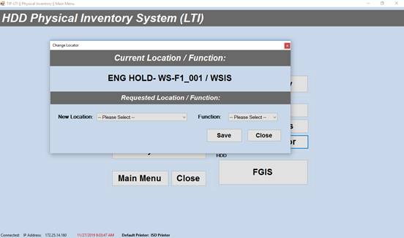
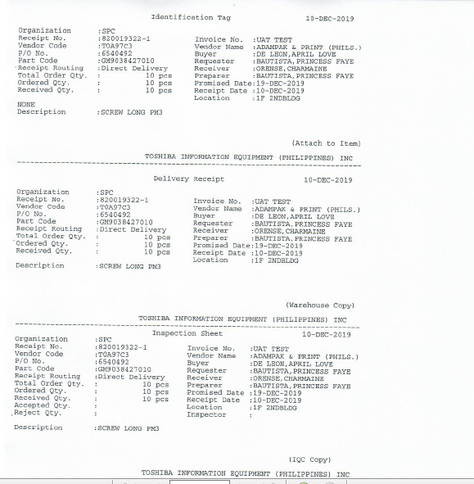
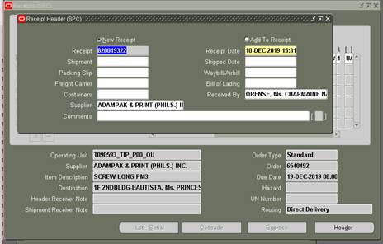
 |  |  |  |  |  |  |  |  |  | 5 |  |  |  |  | 9

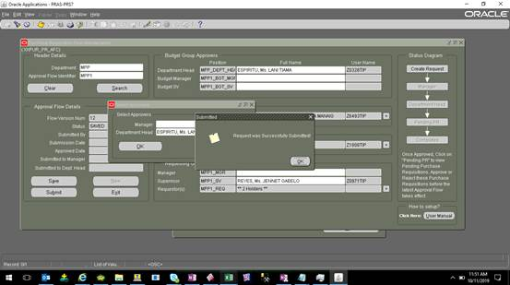
 |  |  |  |  |  |  |  |  |  | 10

 |  |  |  |  |  |  |  |  |  |  | OWNER | DB_LINK | USERNAME | HOST | CREATED |  |  | OWNER | DB_LINK | USERNAME | HOST | CREATED
 |  |  |  |  |  |  |  |  |  |  | APPS | TIPSVR058_TIPCBS_TIPCBS.PRAS.SPTO.SEMICON.TOSHIBA.CO.JP | TIPCBS | TIPSVR058_TIPCBS | 9/10/14 |  |  | XXPRS_R | TIP_DB_013_TIPCBS_TIPCBS.PRAS.SPTO.SEMICON.TOSHIBA.CO.JP | TIPCBS | TIP-DB-013_TIPCBS | 12/26/17
 |  |  |  |  |  |  |  |  |  |  | APPS | TIP_DB_013_TIPCBS_TIPCBS.PRAS.SPTO.SEMICON.TOSHIBA.CO.JP | TIPCBS | TIP-DB-013_TIPCBS | 6/12/15 |  |  | APPS | TIPSVR058_TIPCBS_TIPCBS.PRAS.SPTO.SEMICON.TOSHIBA.CO.JP | TIPCBS | TIPSVR058_TIPCBS | 6/20/19
 |  |  |  |  |  |  |  |  |  |  | XXPRS_R | TIP_DB_013_TIPCBS_TIPCBS.PRAS.SPTO.SEMICON.TOSHIBA.CO.JP | TIPCBS | TIP-DB-013_TIPCBS | 12/26/17 |  |  | APPS | TIPSVR054_TIPCBS.US.ORACLE.COM | tip-cbs | TIP-DB-013_TIPCBS | 6/18/19
 |  |  |  |  |  |  |  |  |  |  | XXPRS_R | TIPSVR054_TIPCBS.US.ORACLE.COM | tip-cbs | tipsvr054_tipcbs | 6/18/19 |  |  | APPS | TIP_DB_013_TIPCBS_TIPCBS.PRAS.SPTO.SEMICON.TOSHIBA.CO.JP | TIPCBS | TIP-DB-013_TIPCBS | 6/20/19

PRS3
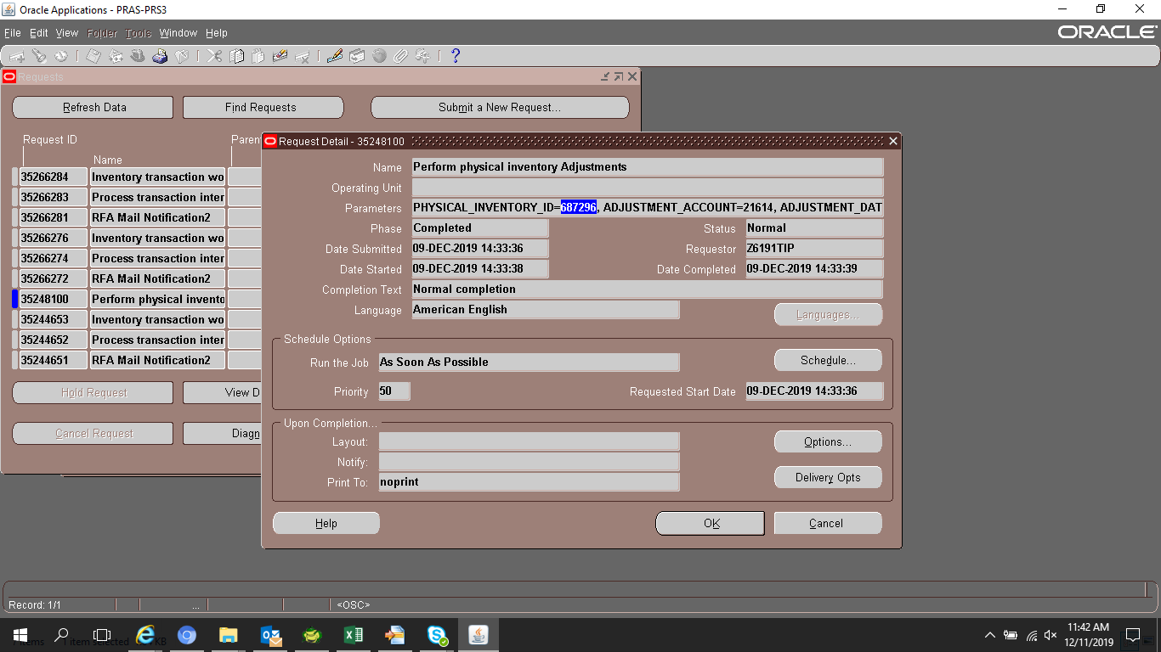
+---------------------------------------------------------------------------+
Inventory: Version : 12.0.0

Copyright (c) 1979, 1999, Oracle Corporation. All rights reserved.

INCAPA module: Perform physical inventory Adjustments
+---------------------------------------------------------------------------+

Current system time is 09-DEC-2019 14:33:38

+---------------------------------------------------------------------------+

Page Length = 59, Page Width = 80

===================================================================
Debug Mode : Disabled
Output to Terminal : No
Argument Method : Database Fetch
Trace Mode : Disabled

===================================================================
Argument 1 (PHYSICAL_INVENTORY_ID) = 687296
Argument 2 (ADJUSTMENT_ACCOUNT) = 21614
Argument 3 (ADJUSTMENT_DATE) = 2019/12/09 14:32:32

===================================================================
PHYSICAL_INVENTORY_ID = 687296
ADJUSTMENT_ACCOUNT = 21614
ADJUSTMENT_DATE = 2019/12/09 14:32:32
ADJUSTMENT_DATE = 2019/12/09 14:32:32

***** End Of Program - Perform physical inventory Adjustments *****
+---------------------------------------------------------------------------+
Start of log messages from FND_FILE
+---------------------------------------------------------------------------+
+---------------------------------------------------------------------------+
End of log messages from FND_FILE
+---------------------------------------------------------------------------+

+---------------------------------------------------------------------------+
Executing request completion options...

Output file size:
0

Output is not being printed because:
The print option has been disabled for this report.

+------------- 1) PRINT -------------+
+--------------------------------------+

Finished executing request completion options.

+---------------------------------------------------------------------------+
Concurrent request completed successfully
Current system time is 09-DEC-2019 14:33:39

+---------------------------------------------------------------------------+

Simulation
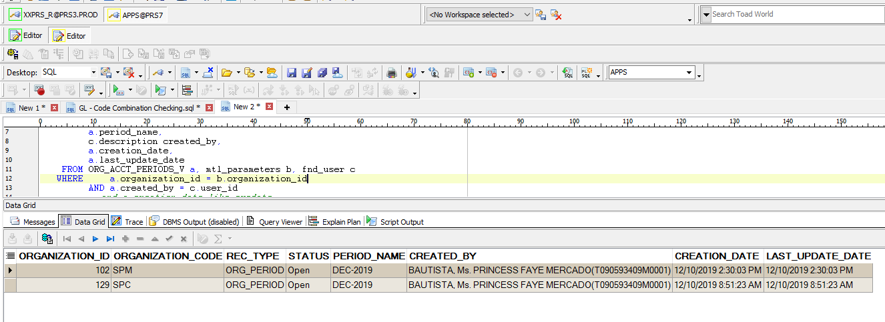
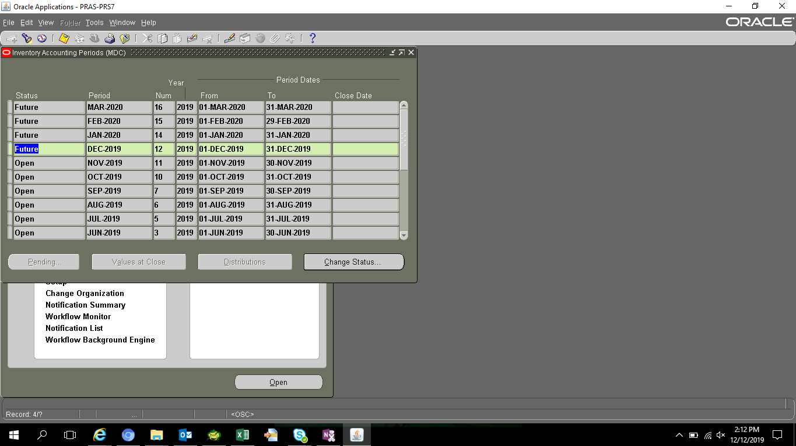

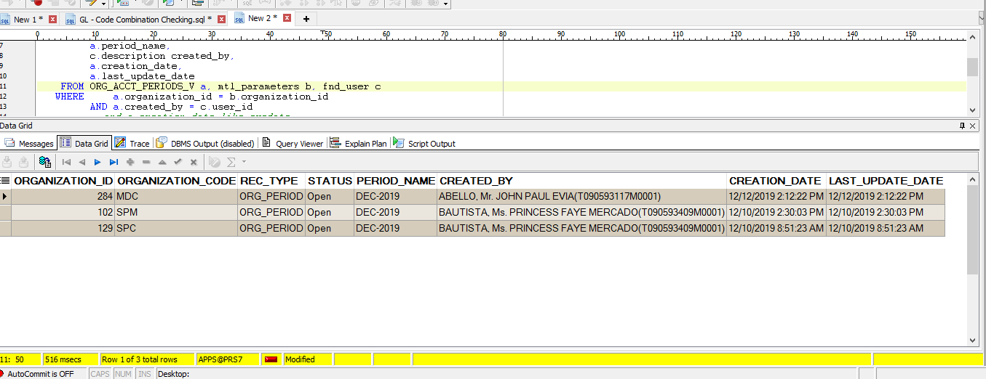
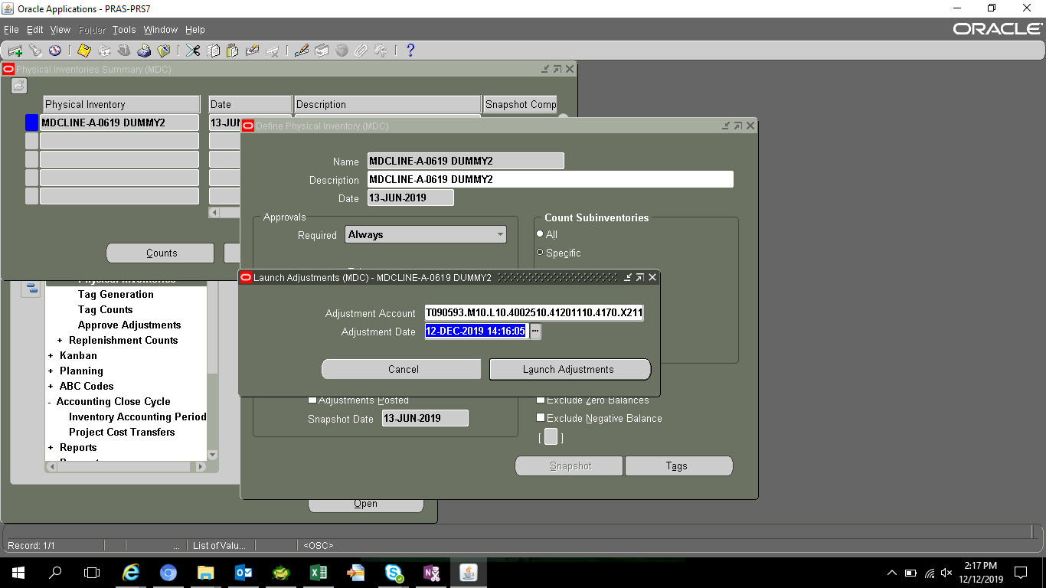
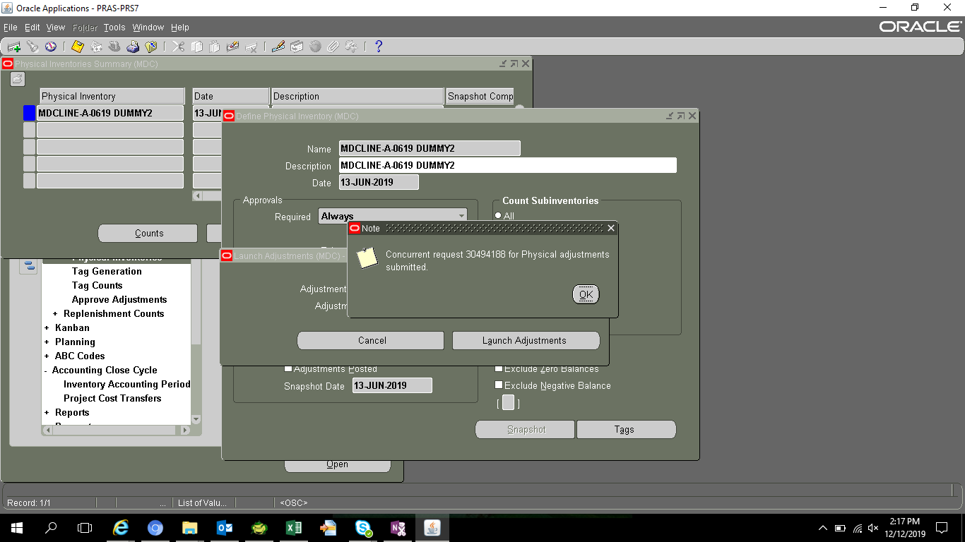
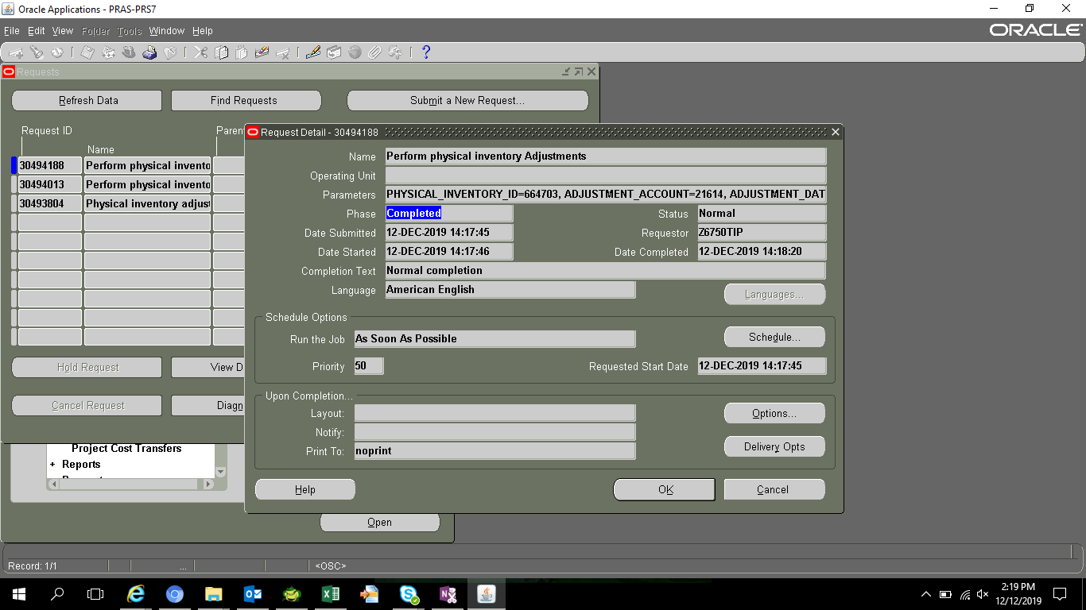
PHYSICAL_INVENTORY_ID | ORGANIZATION_ID | LAST_UPDATE_DATE | LAST_UPDATED_BY | CREATION_DATE | CREATED_BY | LAST_UPDATE_LOGIN | PHYSICAL_INVENTORY_DATE | LAST_ADJUSTMENT_DATE | TOTAL_ADJUSTMENT_VALUE | DESCRIPTION | FREEZE_DATE | PHYSICAL_INVENTORY_NAME | APPROVAL_REQUIRED | ALL_SUBINVENTORIES_FLAG | NEXT_TAG_NUMBER | TAG_NUMBER_INCREMENTS | DEFAULT_GL_ADJUST_ACCOUNT | REQUEST_ID | PROGRAM_APPLICATION_ID | PROGRAM_ID | PROGRAM_UPDATE_DATE | APPROVAL_TOLERANCE_POS | APPROVAL_TOLERANCE_NEG | COST_VARIANCE_POS | COST_VARIANCE_NEG | NUMBER_OF_SKUS | DYNAMIC_TAG_ENTRY_FLAG | ATTRIBUTE1 | ATTRIBUTE2 | ATTRIBUTE3 | ATTRIBUTE4 | ATTRIBUTE5 | ATTRIBUTE6 | ATTRIBUTE7 | ATTRIBUTE8 | ATTRIBUTE9 | ATTRIBUTE10 | ATTRIBUTE11 | ATTRIBUTE12 | ATTRIBUTE13 | ATTRIBUTE14 | ATTRIBUTE15 | ATTRIBUTE_CATEGORY | EXCLUDE_ZERO_BALANCE | EXCLUDE_NEGATIVE_BALANCE
664703 | 284 | 6/13/19 | 11649 | 6/13/19 | 11649 | 11649 | 2019-06-13 |  |  | MDCLINE-A-0619 DUMMY2 | 6/13/19 | MDCLINE-A-0619 DUMMY2 | 1 | 2 | MDCAL1769 | 1111 |  | 30314994 | 401 | 31958 | 6/13/19 |  |  |  |  | 1769 | 1

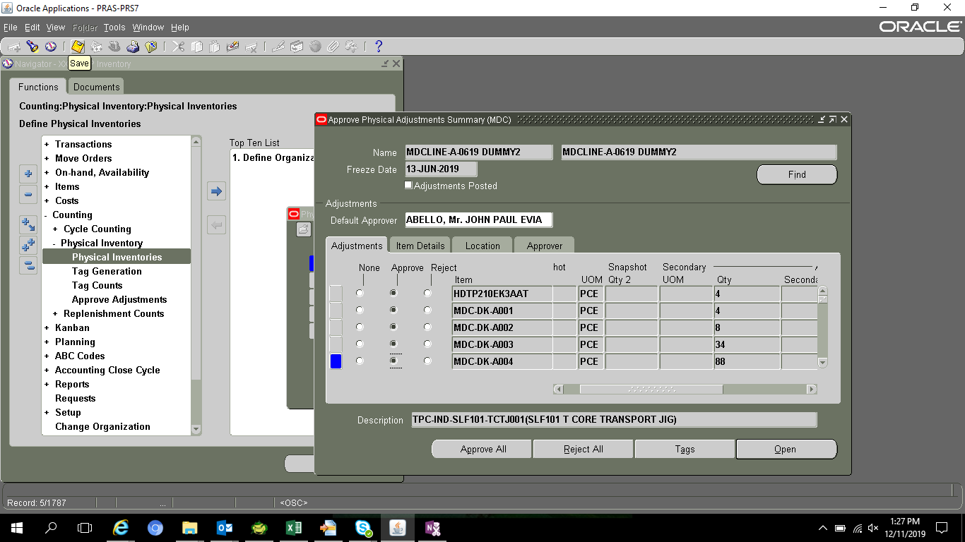



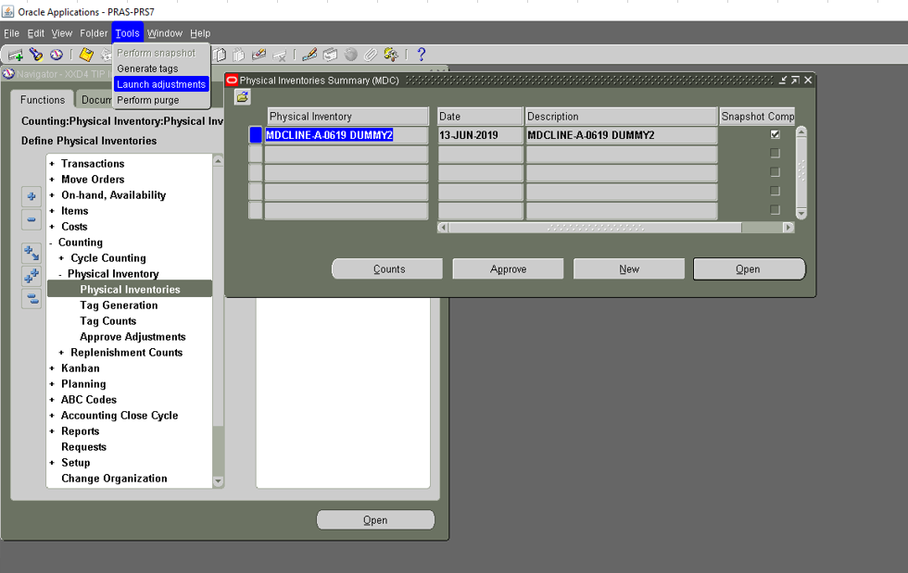

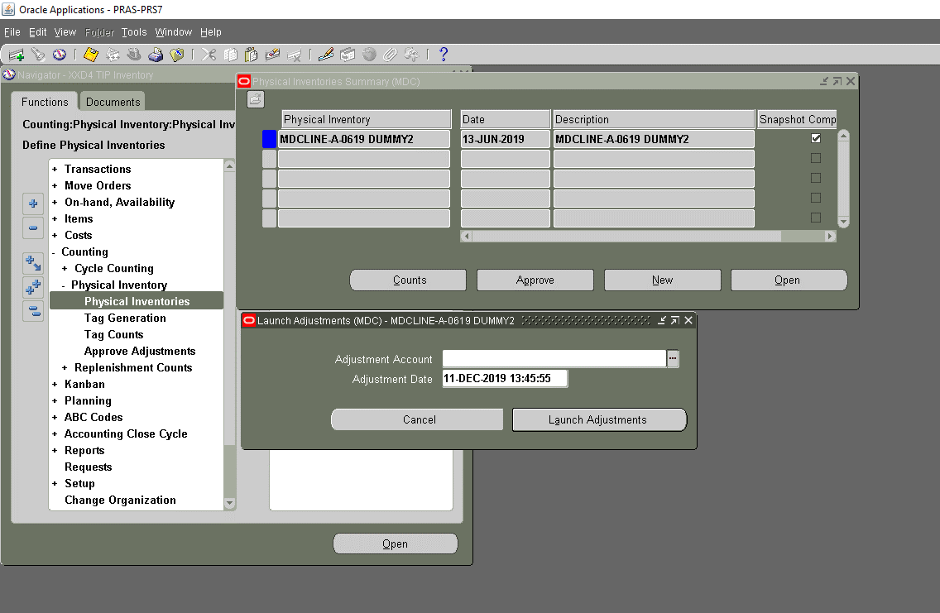

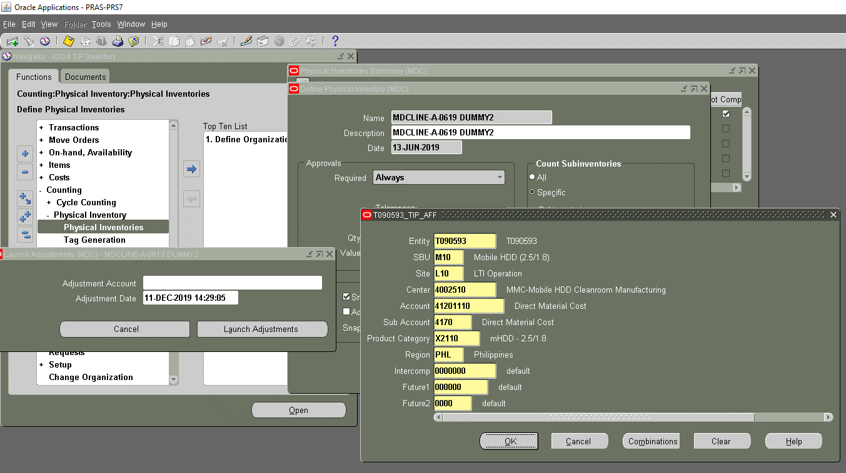

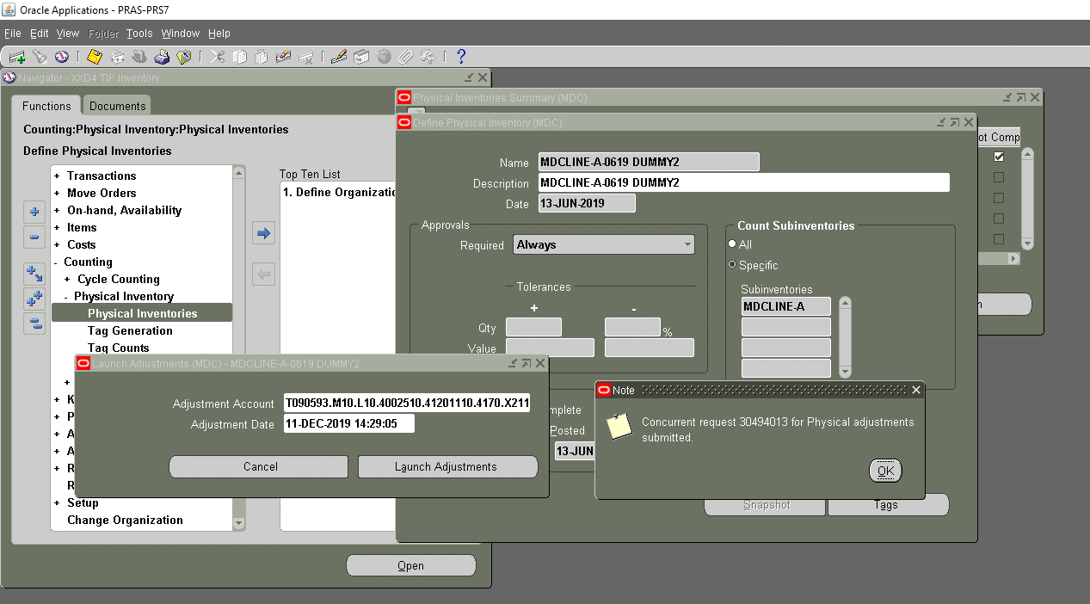

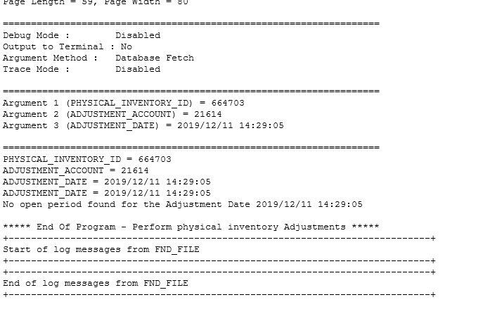

 | OPEN PERIOD

Sheet4
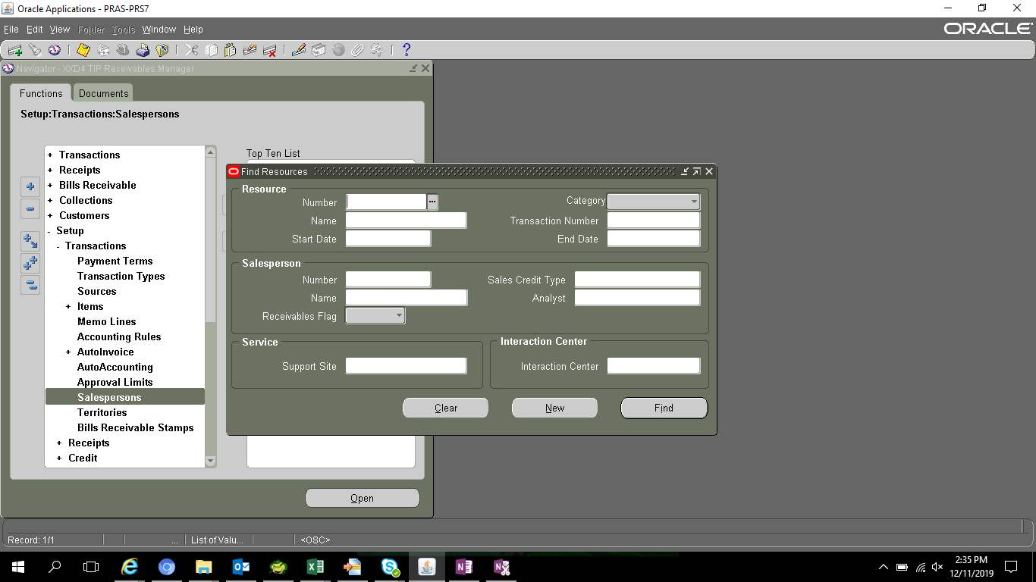

2nd simulation
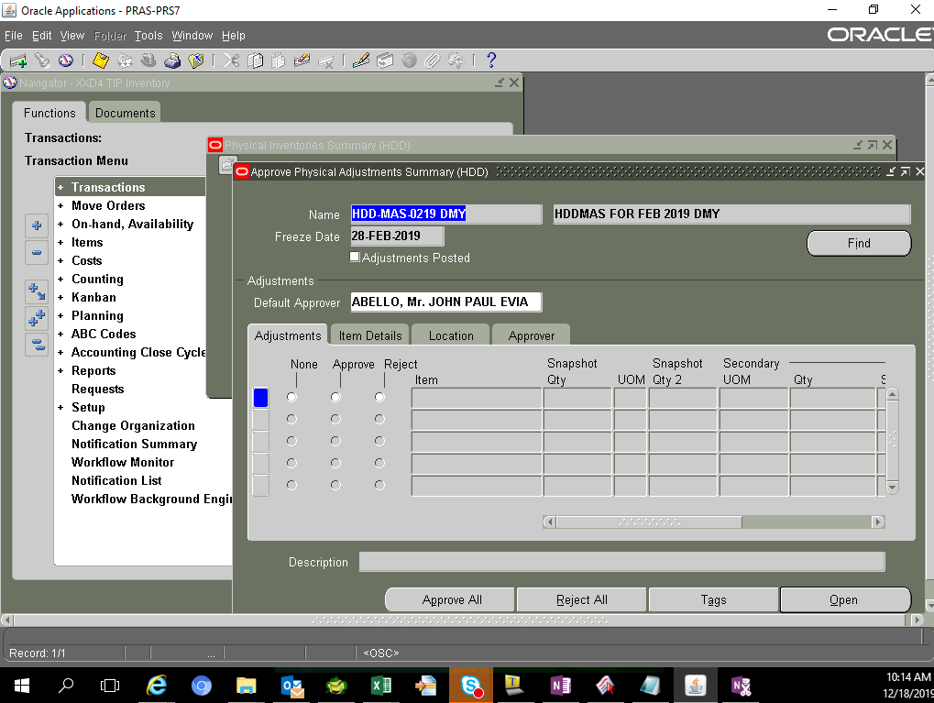
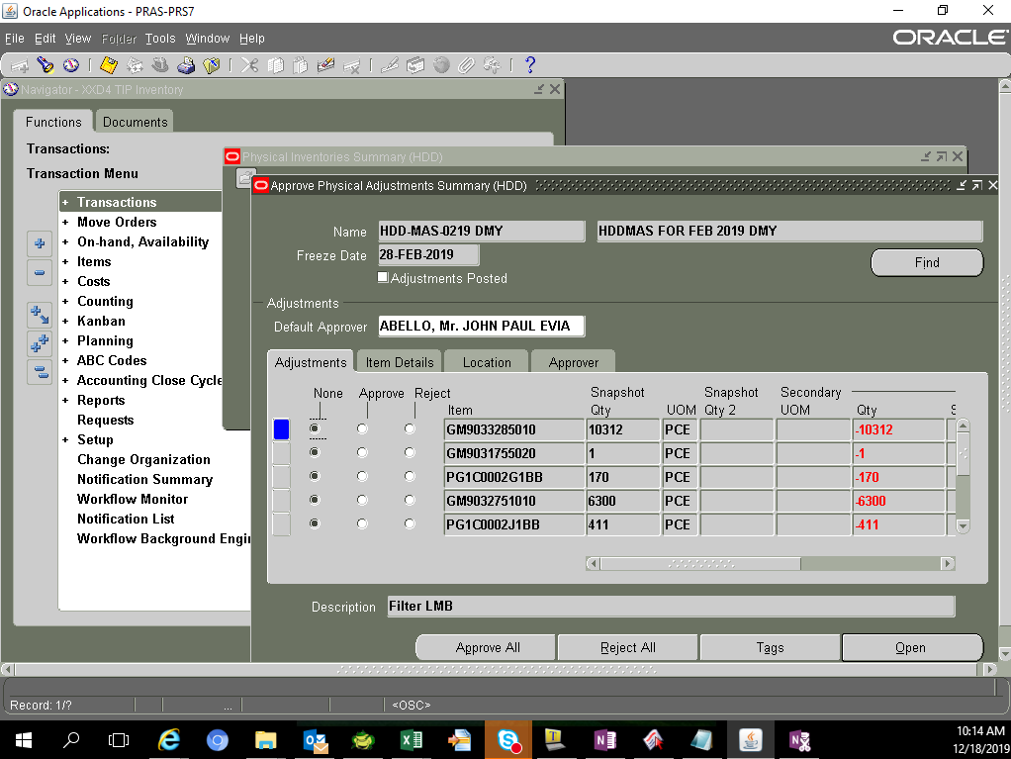
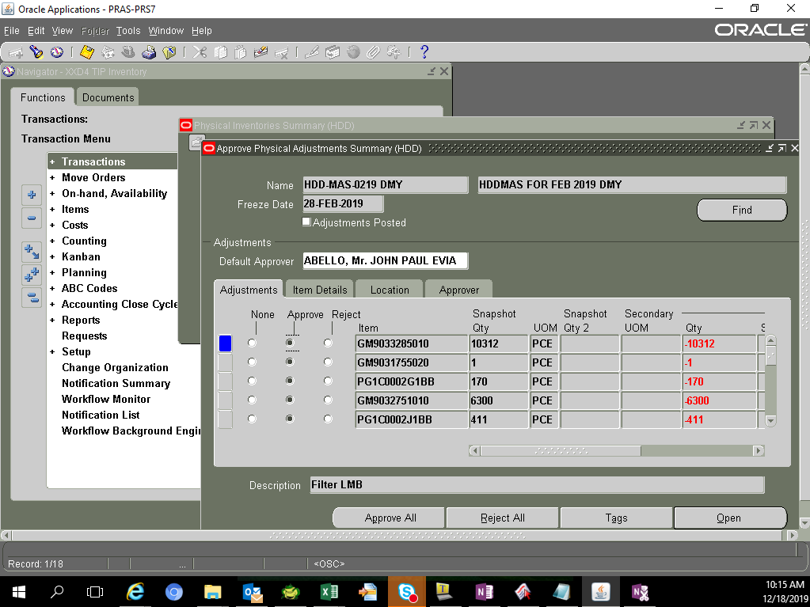
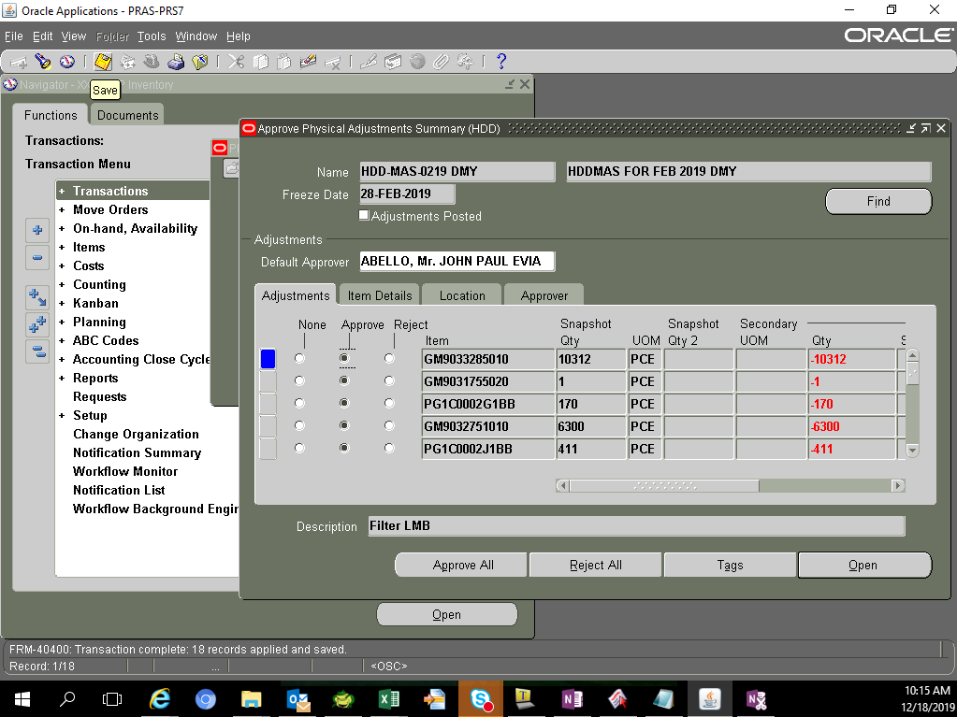
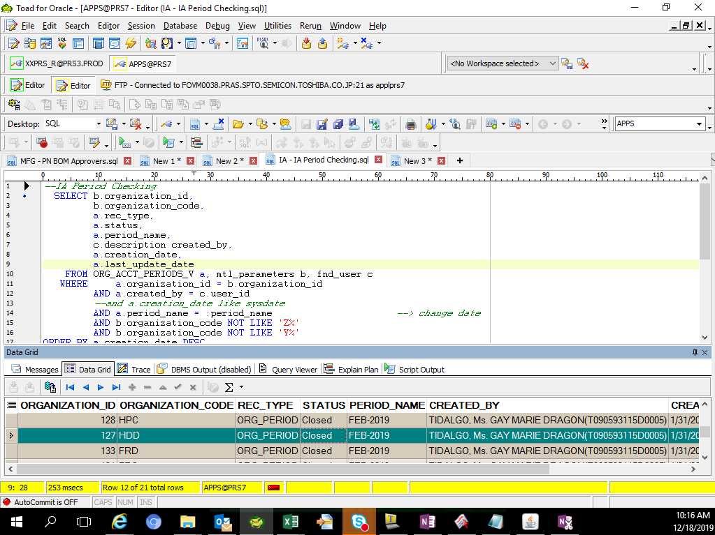
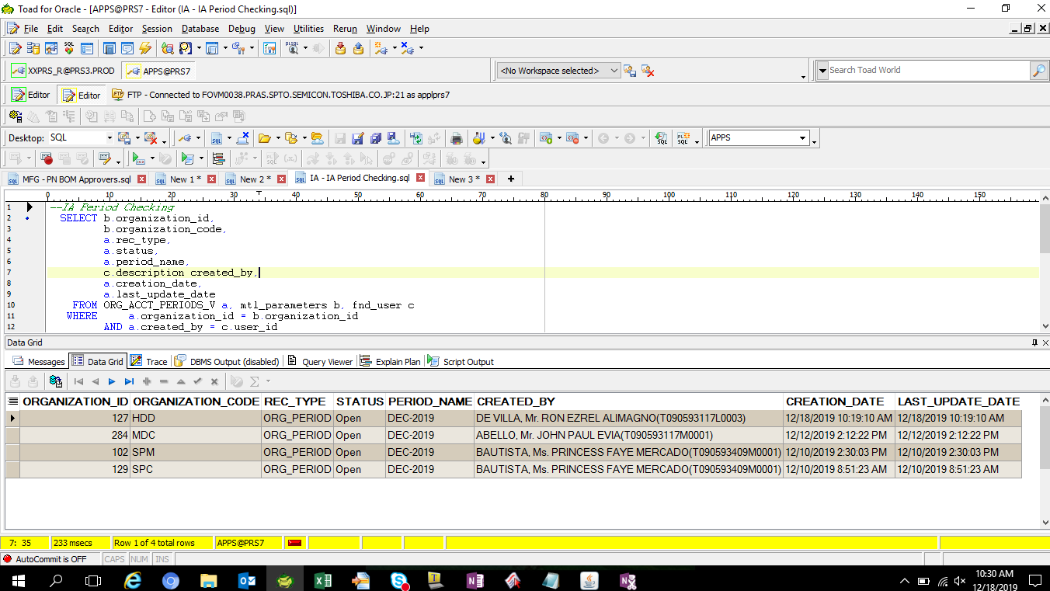
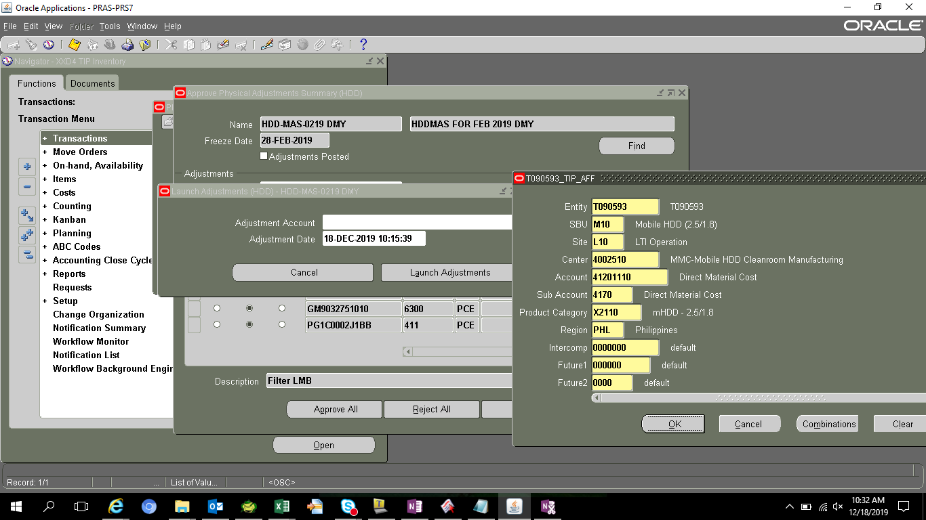
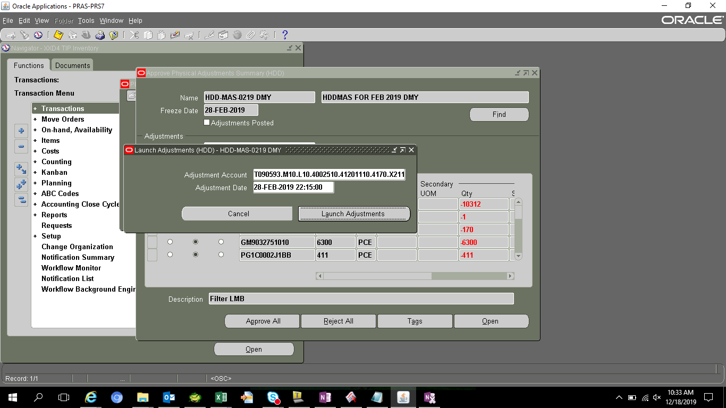
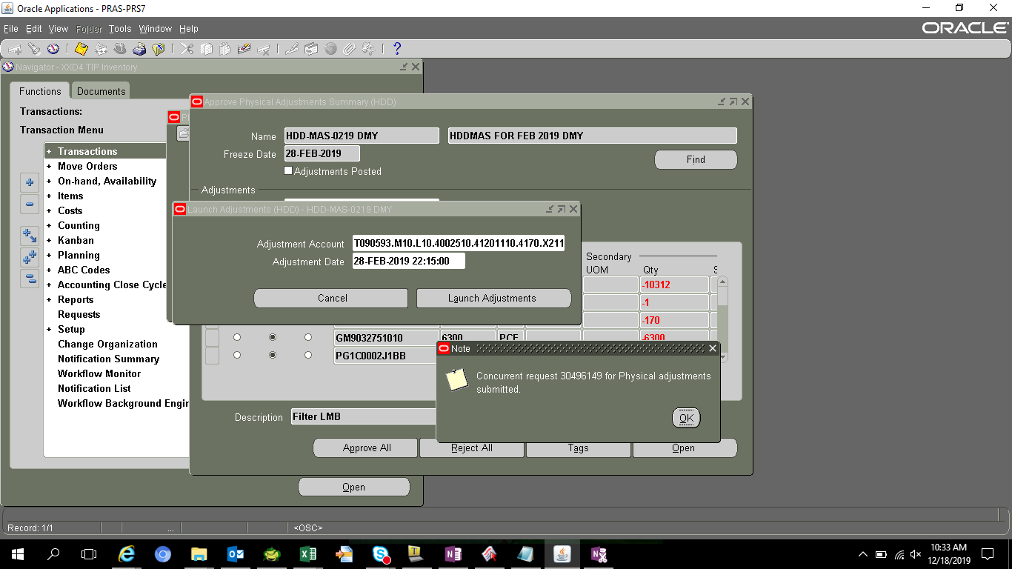
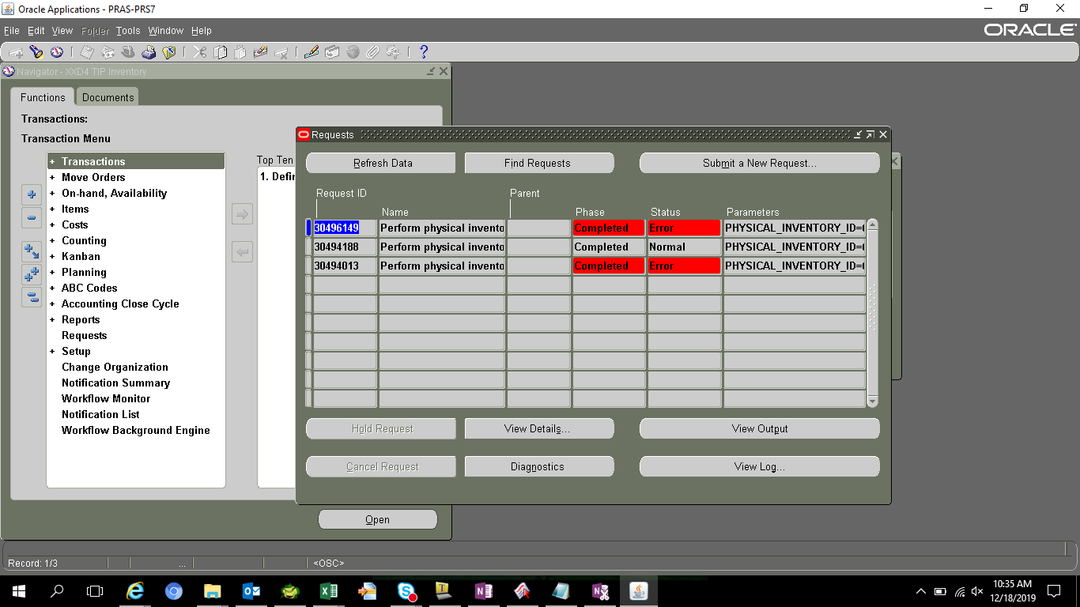
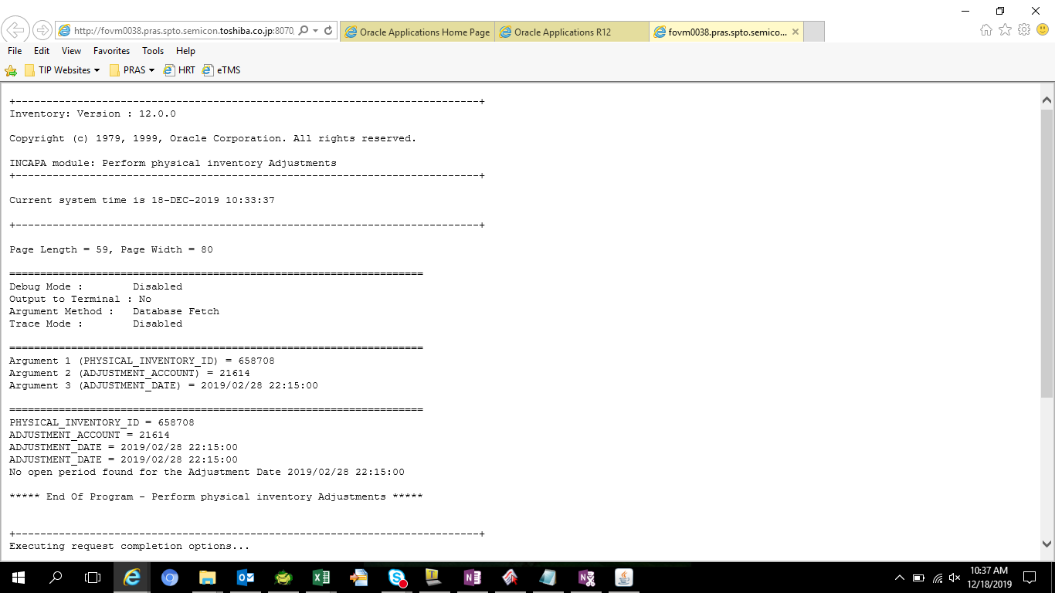
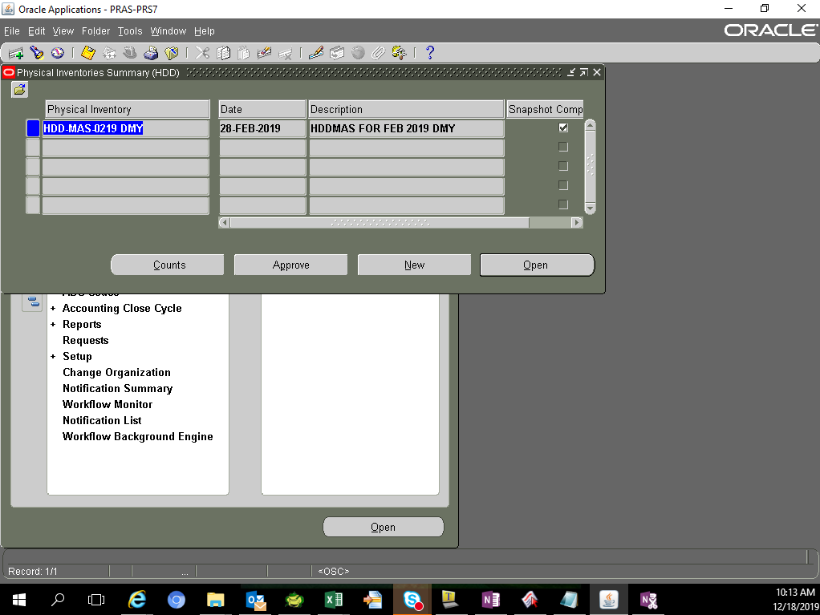

s

